Evidences
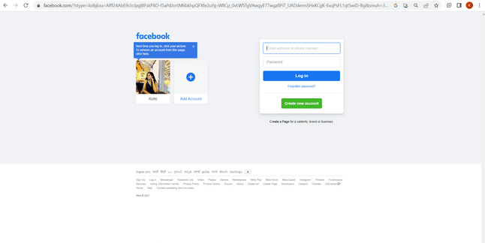
Sr. No. | Requirement ID | Scenario ID | Scenario Description | Test Case ID | Test Case Description | Expected Result | Designed by | Actual result | Status
1 | R_001 | SCE_001 | User to login phonepay application. | SCE_001_TC_001 | Verify if User is able to login phonepay application. | User Should be able to login phonepay application. | Ketki M. | User is able to login phonepay application. | Pass

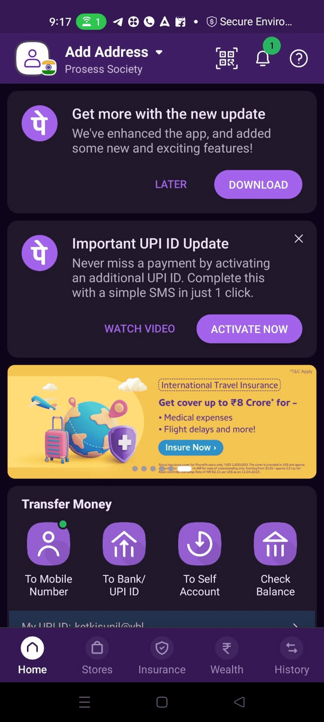

Sr. No. | Requirement ID | Scenario ID | Scenario Description | Test Case ID | Test Case Description | Expected Result | Designed by | Actual result | Status
2 | R_002 | SCE_002 | User to edit their personal details. | SCE_002_TC_002 | Verify if User is able to edit their personal details. | User should be able to edit their personal details. | Ketki M. | User is able to edit their personal details. | Pass

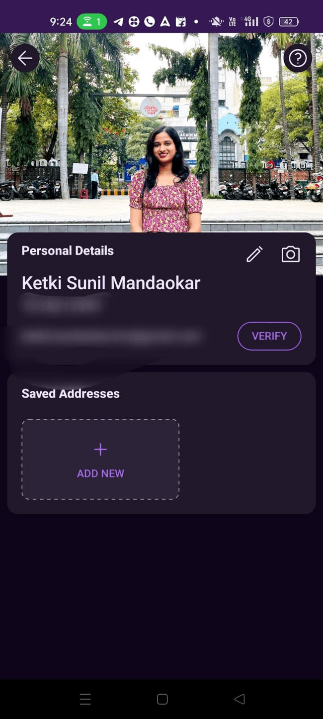

Sr. No. | Requirement ID | Scenario ID | Scenario Description | Test Case ID | Test Case Description | Expected Result | Designed by | Actual result | Status
3 | R_003 | SCE_003 | User to edit account details. | SCE_003_TC_003 | Verify if User is able to edit account details. | User Should be able to edit account details. | Ketki M. | User is able to edit account details. | Pass

Sr. No. | Requirement ID | Scenario ID | Scenario Description | Test Case ID | Test Case Description | Expected Result | Designed by | Actual result | Status
4 | R_004 | SCE_004 | User to add bank account. | SCE_004_TC_004 | Verify if User is able to add bank account. | User Should be able to add bank account. | Ketki M. | User is able to add bank account. | Pass

Sr. No. | Requirement ID | Scenario ID | Scenario Description | Test Case ID | Test Case Description | Expected Result | Designed by | Actual result | Status
5 | R_005 | SCE_005 | User to open QR code. | SCE_005_TC_005 | Verify if User is able to open QR code. | User Should be able to open QR code. | Ketki M. | User is able to open QR code. | Pass
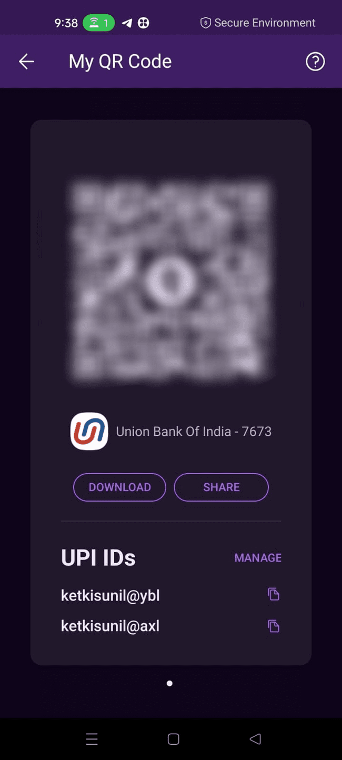

Sr. No. | Requirement ID | Scenario ID | Scenario Description | Test Case ID | Test Case Description | Expected Result | Designed by | Actual result | Status
6 | R_006 | SCE_006 | User to view posts on timeline. | SCE_006_TC_006 | Verify if User is able to view posts on timeline. | User Should be able to view posts on timeline. | Ketki M. | User is able to view posts on timeline. | Pass

Sr. No. | Requirement ID | Scenario ID | Scenario Description | Test Case ID | Test Case Description | Expected Result | Designed by | Actual result | Status
7 | R_007 | SCE_007 | User to delete post of timeline. | SCE_007_TC_007 | Verify if User is able to delete post of timeline. | Verify if User is able to delete post of timeline. | Ketki M. | User is able to delete post of timeline. | Pass

Sr. No. | Requirement ID | Scenario ID | Scenario Description | Test Case ID | Test Case Description | Expected Result | Designed by | Actual result | Status
8 | R_008 | SCE_008 | User to edit posts of timeline. | SCE_008_TC_008 | Verify if User is able to edit posts of timeline. | Verify if User is able to edit posts of timeline. | Ketki M. | User is able to edit posts of timeline. | Pass

Sr. No. | Requirement ID | Scenario ID | Scenario Description | Test Case ID | Test Case Description | Expected Result | Designed by | Actual result | Status
9 | R_009 | SCE_009 | User to add new post on timeline. | SCE_009_TC_009 | Verify if User is able to add new post on timeline. | Verify if User is able to new post on timeline. | Ketki M. | User is able to new post on timeline. | Pass

Sr. No. | Requirement ID | Scenario ID | Scenario Description | Test Case ID | Test Case Description | Expected Result | Designed by | Actual result | Status
10 | R_010 | SCE_010 | User to tag people in the post. | SCE_010_TC_010 | Verify if User is able to tag people in the post. | User Should be able to tag people in the post. | Ketki M. | User is able to tag people in the post. | Pass

Sr. No. | Requirement ID | Scenario ID | Scenario Description | Test Case ID | Test Case Description | Expected Result | Designed by | Actual result | Status
11 | R_011 | SCE_011 | User to view likes and comments of the post. | SCE_011_TC_011 | Verify if User is able to view likes and comments of the post. | User Should be able to view likes and comments of the post. | Ketki M. | User is able to view likes and comments of the post. | Pass

Sr. No. | Requirement ID | Scenario ID | Scenario Description | Test Case ID | Test Case Description | Expected Result | Designed by | Actual result | Status
12 | R_012 | SCE_012 | User to view number of friends. | SCE_012_TC_012 | Verify if user is able to view number of friends. | User Should be able to view number of friends. | Ketki M. | User is able to view number of friends. | Pass

Sr. No. | Requirement ID | Scenario ID | Scenario Description | Test Case ID | Test Case Description | Expected Result | Designed by | Actual result | Status
13 | R_013 | SCE_013 | User to view profile of friends. | SCE_013_TC_013 | Verify if user is able to view profile of friends. | User Should be able to view profile of friends. | Ketki M. | User is able to view profile of friends. | Pass

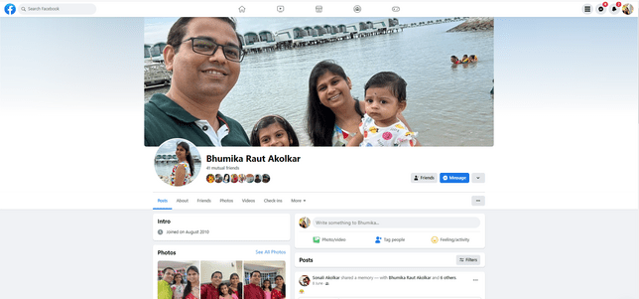

Sr. No. | Requirement ID | Scenario ID | Scenario Description | Test Case ID | Test Case Description | Expected Result | Designed by | Actual result | Status
14 | R_014 | SCE_014 | User to watch videos. | SCE_014_TC_014 | Verify if user is able to watch videos. | User Should be able to watch videos. | Ketki M. | User is able to watch videos. | Pass

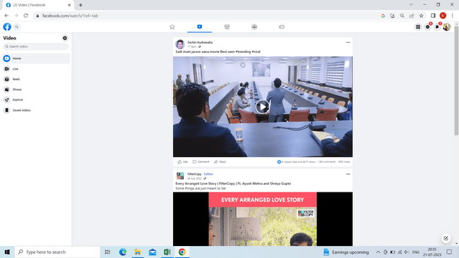

Sr. No. | Requirement ID | Scenario ID | Scenario Description | Test Case ID | Test Case Description | Expected Result | Designed by | Actual result | Status
15 | R_015 | SCE_015 | User to watch save videos. | SCE_015_TC_015 | Verify if user is able to watch save videos. | User Should be able to watch save videos. | Ketki M. | User is able to watch save videos. | Pass

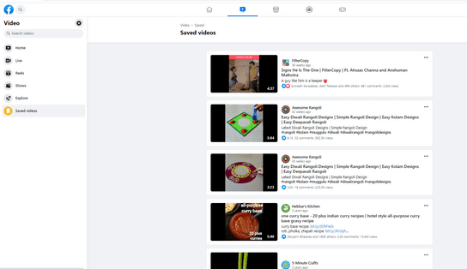

Sr. No. | Requirement ID | Scenario ID | Scenario Description | Test Case ID | Test Case Description | Expected Result | Designed by | Actual result | Status
16 | R_016 | SCE_016 | User to search videos. | SCE_016_TC_016 | Verify if user is able to search videos. | User Should be able to search videos. | Ketki M. | User is able to search videos. | Pass

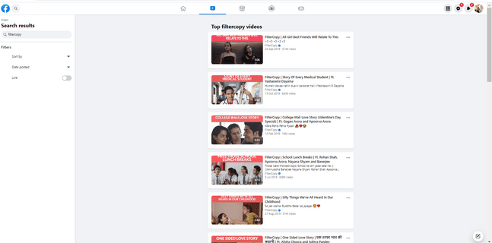

Sr. No. | Requirement ID | Scenario ID | Scenario Description | Test Case ID | Test Case Description | Expected Result | Designed by | Actual result | Status
17 | R_017 | SCE_017 | User to view groups. | SCE_017_TC_017 | Verify if user is able to view groups. | User Should be able to view groups. | Ketki M. | User is able to view groups. | Pass

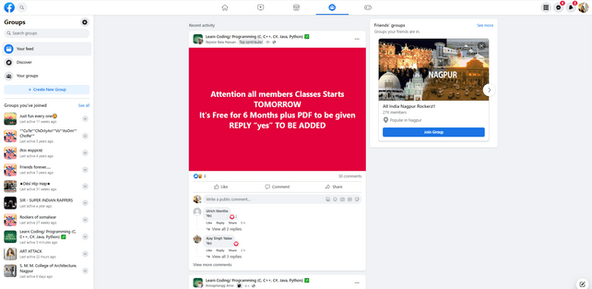

Sr. No. | Requirement ID | Scenario ID | Scenario Description | Test Case ID | Test Case Description | Expected Result | Designed by | Actual result | Status
18 | R_018 | SCE_018 | User to view stories. | SCE_018_TC_018 | Verify if user is able to view stories. | User should be able to view stories. | Ketki M. | User is able to view stories. | Pass

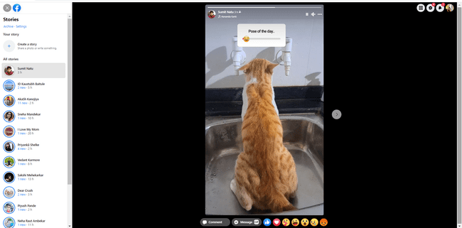

Sr. No. | Requirement ID | Scenario ID | Scenario Description | Test Case ID | Test Case Description | Expected Result | Designed by | Actual result | Status
19 | R_019 | SCE_019 | User to send reaction on stories. | SCE_019_TC_019 | Verify if user is able to send reaction on stories. | User should be able to send reaction on stories. | Ketki M. | User is able to send reaction on stories. | Pass

Sr. No. | Requirement ID | Scenario ID | Scenario Description | Test Case ID | Test Case Description | Expected Result | Designed by | Actual result | Status
20 | R_020 | SCE_020 | User to send birthday wishes on people's timeline. | SCE_020_TC_020 | Verify if user is able to send birthday wishes on people's timeline. | User should be able to send birthday wishes on people's timeline. | Ketki M. | User is able to send birthday wishes on people's timeline. | Pass

Sr. No. | Requirement ID | Scenario ID | Scenario Description | Test Case ID | Test Case Description | Expected Result | Designed by | Actual result | Status
21 | R_021 | SCE_021 | User to chat with friends. | SCE_021_TC_021 | Verify if user is able to chat with friends. | User should be able to chat with friends. | Ketki M. | User is able to chat with friends. | Pass

Sr. No. | Requirement ID | Scenario ID | Scenario Description | Test Case ID | Test Case Description | Expected Result | Designed by | Actual result | Status
22 | R_022 | SCE_022 | User to view list of friend request. | SCE_022_TC_022 | Verify if user is able to view list of friend request. | User Should be able to view list of friend request. | Ketki M. | User is able to view list of friend request. | Pass

Sr. No. | Requirement ID | Scenario ID | Scenario Description | Test Case ID | Test Case Description | Expected Result | Designed by | Actual result | Status
23 | R_023 | SCE_023 | User to accept friend request. | SCE_023_TC_023 | Verify if user is able to accept friend request. | User Should be able to accept friend request. | Ketki M. | User is able to accept friend request. | Pass

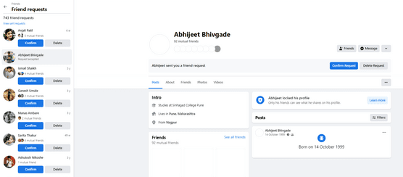

Sr. No. | Requirement ID | Scenario ID | Scenario Description | Test Case ID | Test Case Description | Expected Result | Designed by | Actual result | Status
24 | R_024 | SCE_024 | User to delete friend request. | SCE_024_TC_024 | Verify if user is able to delete friend request. | User Should be able to delete friend request. | Ketki M. | User is able to delete friend request. | Pass

Sr. No. | Requirement ID | Scenario ID | Scenario Description | Test Case ID | Test Case Description | Expected Result | Designed by | Actual result | Status
25 | R_025 | SCE_025 | User to get notifications by clicking notification icon. | SCE_025_TC_025 | Verify if user is able to get notifications by clicking notification icon. | User Should be able toget notifications by clicking notification icon. |  | User is able to get notifications by clicking notification icon. | Pass

Sr. No. | Requirement ID | Scenario ID | Scenario Description | Test Case ID | Test Case Description | Expected Result | Designed by | Actual result | Status
26 | R_026 | SCE_026 | User to get notifications of likes and comments. | SCE_026_TC_026 | Verify if user is able to get notifications of likes and comments. | User Should be able to get notifications of likes and comments. | Ketki M. | User is able to get notifications of likes and comments. | Pass

Sr. No. | Requirement ID | Scenario ID | Scenario Description | Test Case ID | Test Case Description | Expected Result | Designed by | Actual result | Status
27 | R_027 | SCE_027 | User to get notifications of friend request. | SCE_027_TC_027 | Verify if user is able to get notifications of friend request. | User Should be able to get notifications of friend request. | Ketki M. | User is able to get notifications of friend request. | Pass

Sr. No. | Requirement ID | Scenario ID | Scenario Description | Test Case ID | Test Case Description | Expected Result | Designed by | Actual result | Status
28 | R_028 | SCE_028 | User to go to settings. | SCE_028_TC_028 | Verify if user is able to go to settings. | User Should be able to go to settings. | Ketki M. | User is able to go to settings. | Pass

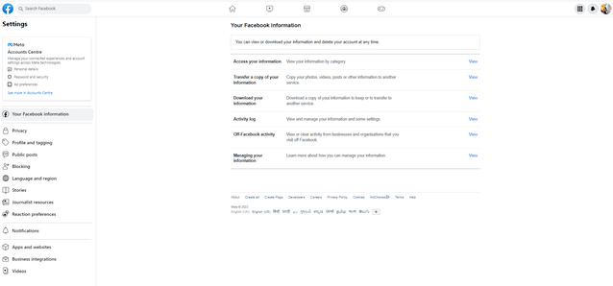

Sr. No. | Requirement ID | Scenario ID | Scenario Description | Test Case ID | Test Case Description | Expected Result | Designed by | Actual result | Status
29 | R_029 | SCE_029 | User to search people. | SCE_029_TC_029 | Verify if user is able to search people. | User Should be able to search people. | Ketki M. | User is able to search people. | Pass

Sr. No. | Requirement ID | Scenario ID | Scenario Description | Test Case ID | Test Case Description | Expected Result | Designed by | Actual result | Status
30 | R_030 | SCE_030 | User to apply dark mode. | SCE_030_TC_030 | Verify if user is able to apply dark mode. | User Should be able to apply dark mode. | Ketki M. | User is able to apply dark mode. | Pass

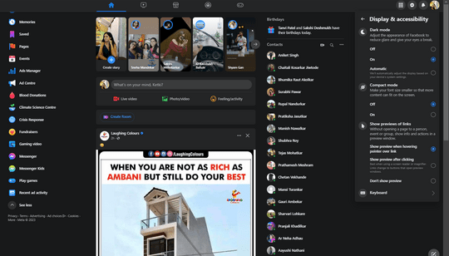

Sr. No. | Requirement ID | Scenario ID | Scenario Description | Test Case ID | Test Case Description | Expected Result | Designed by | Actual result | Status
31 | R_031 | SCE_031 | User to apply light mode. | SCE_031_TC_031 | Verify if user is able to apply light mode. | User Should be able to apply light mode. | Ketki M. | User is able to apply light mode. | Pass

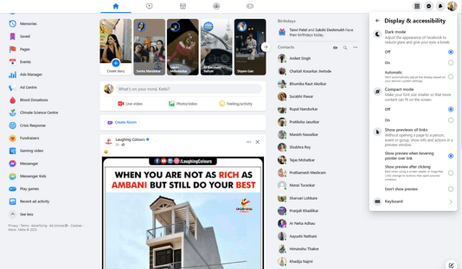

Sr. No. | Requirement ID | Scenario ID | Scenario Description | Test Case ID | Test Case Description | Expected Result | Designed by | Actual result | Status
32 | R_032 | SCE_032 | User to play games. | SCE_032_TC_032 | Verify if user is able to play games. | User Should be able to play games. | Ketki M. | User is able to play games. | Pass

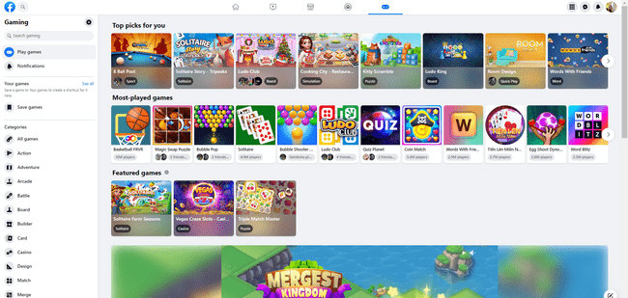

Sr. No. | Requirement ID | Scenario ID | Scenario Description | Test Case ID | Test Case Description | Expected Result | Designed by | Actual result | Status
33 | R_033 | SCE_033 | User to do audio call to friends on chats. | SCE_033_TC_033 | Verify if user is able to do audio call to friends on chats. | User Should be able to do audio call to friends on chats. | Ketki M. | User is able to do audio call to friends on chats. | Pass

Sr. No. | Requirement ID | Scenario ID | Scenario Description | Test Case ID | Test Case Description | Expected Result | Designed by | Actual result | Status
34 | R_034 | SCE_034 | User to do video call to friends on chat. | SCE_034_TC_034 | Verify if user is able to video call to friends on chat. | User Should be able to video call to friends on chat. | Ketki M. | User is able to video call to friends on chat. | Pass

Sr. No. | Requirement ID | Scenario ID | Scenario Description | Test Case ID | Test Case Description | Expected Result | Designed by | Actual result | Status
35 | R_035 | SCE_035 | User to add location to the post. | SCE_035_TC_035 | Verify if user is able to add location to the post. | User Should be able to add location to the post. | Ketki M. | User is able to add location to the post. | Pass

Sr. No. | Requirement ID | Scenario ID | Scenario Description | Test Case ID | Test Case Description | Expected Result | Designed by | Actual result | Status
36 | R_036 | SCE_036 | User to post messages. | SCE_036_TC_036 | Verify if user is able to post messages. | User Should be able to post messages. | Ketki M. | User is able to post messages. | Pass

Sr. No. | Requirement ID | Scenario ID | Scenario Description | Test Case ID | Test Case Description | Expected Result | Designed by | Actual result | Status
37 | R_037 | SCE_037 | User to post video. | SCE_037_TC_037 | Verify if user is able to post video. | User Should be able to post video. | Ketki M. | User is able to post video. | Pass

Sr. No. | Requirement ID | Scenario ID | Scenario Description | Test Case ID | Test Case Description | Expected Result | Designed by | Actual result | Status
38 | R_038 | SCE_038 | User to search history. | SCE_038_TC_038 | Verify if user is able to search history. | User Should be able to search history. | Ketki M. | User is able to search history. | Pass

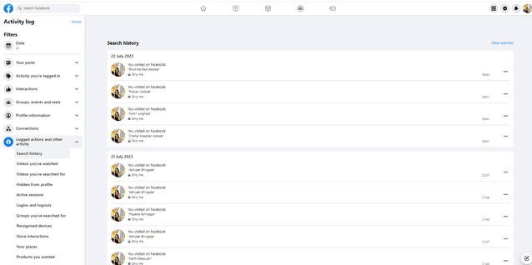

Sr. No. | Requirement ID | Scenario ID | Scenario Description | Test Case ID | Test Case Description | Expected Result | Designed by | Actual result | Status
39 | R_039 | SCE_039 | User to view tagged in posts. | SCE_039_TC_039 | Verify if user is able to view tagged in posts. | User Should be able to view tagged in posts. | Ketki M. | User is able to view tagged in posts. | Pass

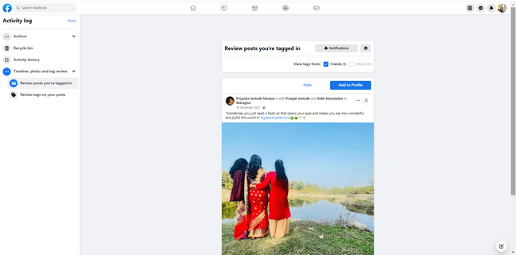

Sr. No. | Requirement ID | Scenario ID | Scenario Description | Test Case ID | Test Case Description | Expected Result | Designed by | Actual result | Status
40 | R_040 | SCE_040 | User to view archive posts. | SCE_040_TC_040 | Verify if user is able to view archive posts. | User Should be able to view archive posts. | Ketki M. | User is able to view archive posts. | Pass

Sr. No. | Requirement ID | Scenario ID | Scenario Description | Test Case ID | Test Case Description | Expected Result | Designed by | Actual result | Status
41 | R_041 | SCE_041 | User to view archive stories. | SCE_041_TC_041 | Verify if user is able to archive stories. | User Should be able to archive stories. | Ketki M. | User is able to archive stories. | Pass

Sr. No. | Requirement ID | Scenario ID | Scenario Description | Test Case ID | Test Case Description | Expected Result | Designed by | Actual result | Status
42 | R_042 | SCE_042 | User to logout facebook application. | SCE_042_TC_042 | Verify if user is able to logout facebook application. | User Should be able to logout facebook application. | Ketki M. | User is able to logout facebook application. | Pass

